Chapter B
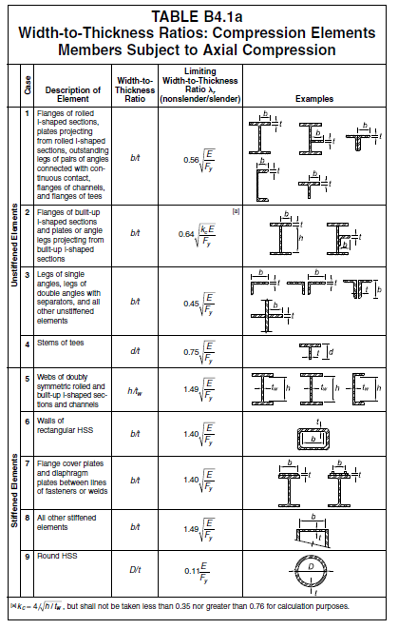
E = | 200,000 | Mpa
Width-to-Thickness Ratios for Compression Members
Section Shape (Width to thick ratio) |  | Shape | Equation | kc = 4/√(h/tw) (0.35~0.76) | Limiting Width to Thickness Ratio λr (nonslender/slender)
 |  |  |  |  | Fy=250Mpa | Fy=345Mpa
(b/tf) for flange |  | H,T,C | 0.56 √(E/Fy) | - | 15.8 | 13.5
 |  | L | 0.45 √(E/Fy) |  | 12.8 | 10.5
 |  | Built Up | 0.64 √(kc E/Fy) | 0.35 | 10.7 | 9.1
 |  |  |  | 0.50 | 12.8 | 10.9
 |  |  |  | 0.76 | 15.8 | 13.4
H (h/tw) for Web |  | H | 1.40 √(E/Fy) | - | 39.6 | 33.7
T (h/tw) for Web |  | T | 0.75 √(E/Fy) | - | 21.2 | 18.1
압축재는 가급적 Slender Member를 지양 함.

Chapter E
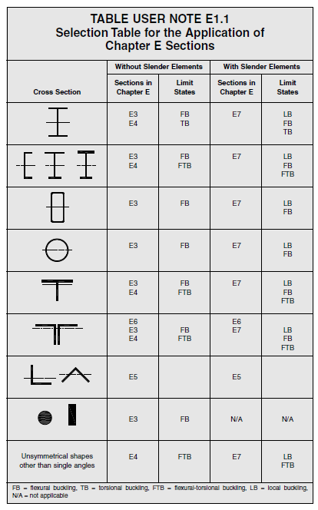
E1. GENERAL PROVISIONS

The nominal compressive strength, Pn, shall be the lowest obtained from (E3) or (E4)

The Design Compressive Strength, ψ Pn
The Allowable Compressive Strength, Pn/Ω

 | ψ=0.9 Ω=1.67
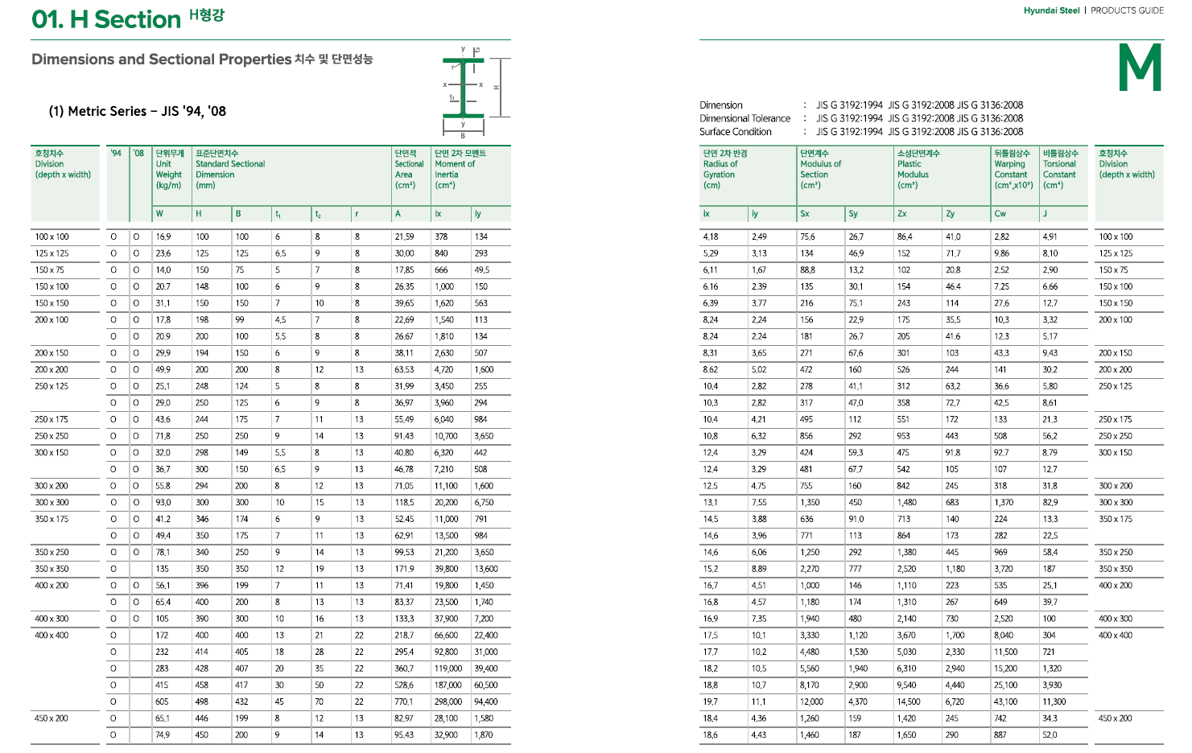

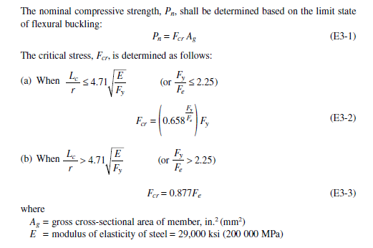
E3. FLEXURAL BUCKLING OF MEMBERS WITHOUT SLENDER ELEMENTS
 | (H, Channel, Box, Pipe, T, 2Ls 형상의 Flexural Buckling인 경우)

$π^{2}$ E / $λ^{2}$
 | E = | 200,000 | Mpa
 | Fe = |  | Mpa | (Elastic buckling stress)
$$4.71\sqrt{\frac{E}{Fy}=}$$
 |  | 133 |  | (Limiting 세장비 for Fy =250Mpa)
 |  | 113 |  | (Limiting 세장비 for Fy =345Mpa)

 | 세장비(λ)에 따른 Critical Stress(Fcr) |  |  | Fy = | 250 | Mpa
 | λ | Fe | Fy/Fe=α | 0.658α | Fcr (E3-2) | Fcr (E3-3) | Pn
 | 1 | 1971920 | 0.00 | 1.00 | 250 | 1729374 | 250Ag
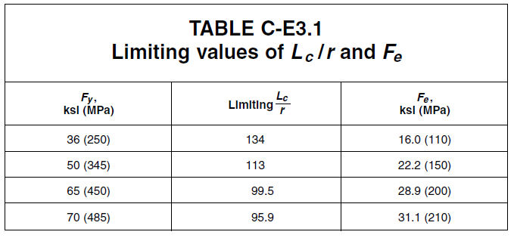
 | 20 | 4930 | 0.05 | 0.98 | 245 | 4323 | 245Ag
 | 40 | 1232 | 0.20 | 0.92 | 230 | 1081 | 230Ag
 | 60 | 548 | 0.46 | 0.83 | 207 | 480 | 207Ag
 | 80 | 308 | 0.81 | 0.71 | 178 | 270 | 178Ag
 | 100 | 197 | 1.27 | 0.59 | 147 | 173 | 147Ag
 | 113 | 154 | 1.62 | 0.51 | 127 | 135 | 127Ag
 | 133 | 111 | 2.24 | 0.39 | 98 | 98 | 98Ag
 | 160 | 77 | 3.25 | 0.26 | 64 | 68 | 68Ag
 | 180 | 61 | 4.11 | 0.18 | 45 | 53 | 53Ag
 | 200 | 49 | 5.07 | 0.12 | 30 | 43 | 43Ag
 | Ag 는 Section Area
 | 세장비(λ)에 따른 Critical Stress(Fcr) |  |  | Fy = | 345 | Mpa
 | λ | Fe | Fy/Fe | 0.658α | Fcr (E3-2) | Fcr (E3-3) | Pn
 | 1 | 1971920 | 0.00 | 1.00 | 345 | 1729374 | 345Ag
 | 20 | 4930 | 0.07 | 0.97 | 335 | 4323 | 335Ag
 | 40 | 1232 | 0.28 | 0.89 | 307 | 1081 | 307Ag
 | 60 | 548 | 0.63 | 0.77 | 265 | 480 | 265Ag
 | 80 | 308 | 1.12 | 0.63 | 216 | 270 | 216Ag
 | 100 | 197 | 1.75 | 0.48 | 166 | 173 | 166Ag
 | 113 | 154 | 2.23 | 0.39 | 135 | 135 | 135Ag
 | 133 | 111 | 3.09 | 0.27 | 94 | 98 | 98Ag
 | 160 | 77 | 4.48 | 0.15 | 53 | 68 | 68Ag
 | 178 | 62 | 5.54 | 0.10 | 34 | 55 | 55Ag
 | 200 | 49 | 7.00 | 0.05 | 18 | 43 | 43Ag
 | Ag 는 Section Area

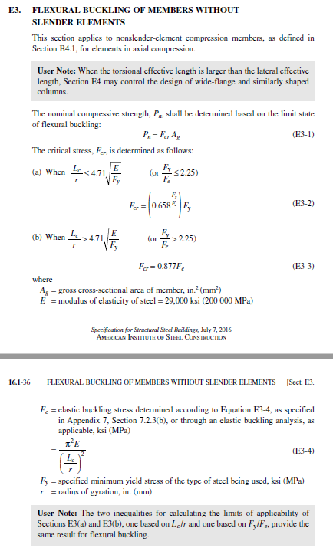
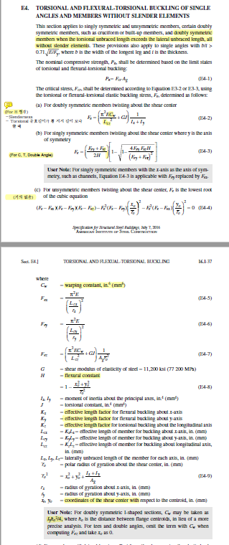
E4. TORSIONAL AND FLEXURAL-TORSIONAL BUCKLING OF SINGLE ANGLES AND MEMBERS
WITHOUT SLENDER ELEMENTS
 | (H, Channel, T, 2Ls 형상의 Flexural-Torsional Buckling인 경우)

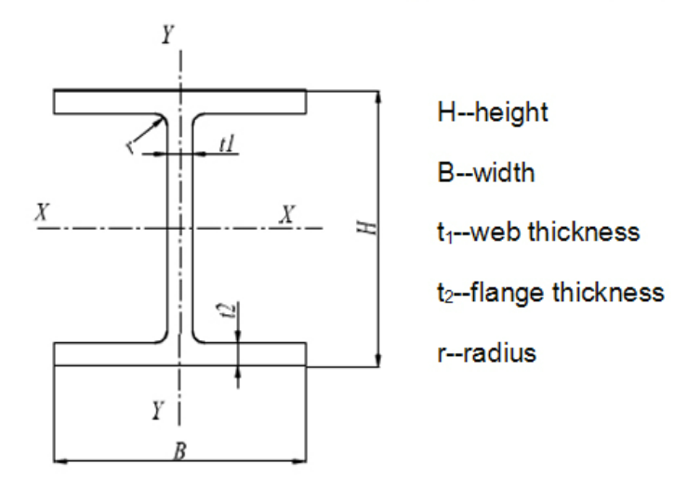
a) For doubly symmetric members(H) twisting about the shear center
(Torsional unbraced length가 횡좌굴 길이를 초과할 경우 지배 함.)
 | Fy = | 345 | Mpa
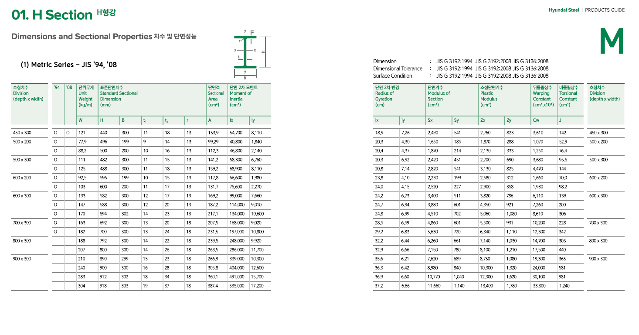
 | H = | 700 | mm
 | B = | 300 | mm
 | tw = | 13 | mm
 | tf = | 24 | mm
 | Cw = | 12338352000000 | mm6 | for warping constant
 | J= | 3242281 | mm4 | for torsional constant
 | Ix = | 1,946,069,925 | mm4
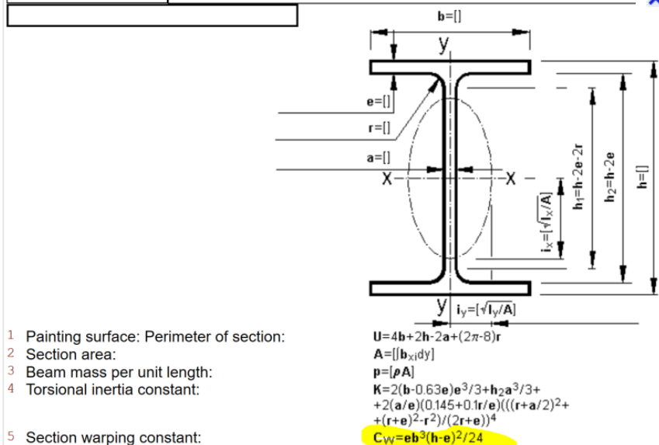
 | Iy = | 108,119,370 | mm4
 | Ag = | 22876 | mm2
 | x0= | 0 | mm | for shear center
 | y0= | 0 | mm | for shear center
 | rx = | 292 | mm | for radius of gyration
 | ry = | 69 | mm | for radius of gyration
 | ro = | 300 |  | for radius of gyration about the shear center

 | Lcx = | 3000 | mm | for effective length |  | λx = | 10.3
 | Lcy= | 3000 | mm | for effective length |  | λy = | 43.6
 | Lcz= | 6000 | mm | for effective length for torsional
 | Fex = | 18639.1 | Mpa | Fy/Fex= | 0.02 | Fcrx= | 342.3 | Mpa
 | Fey = | 1035.5 | Mpa | Fy/Fey= | 0.33 | Fcry= | 300.1 | Mpa
 | Fez= | 450.9 | Mpa | Fy/Fez= | 0.77 | Fcrz= | 250.5 | Mpa
 | ψ= | 0.9
 | Ω= | 1.67
 | ψPn = | 5,156 | kN | =0.9 x Min(Fcrx, Fxry, Fcrz) x Ag
 | Pn/Ω = | 3,431 | kN | =1/1.67 x Min(Fcrx, Fxry, Fcrz) x Ag

Reference
Lcz(mm) | 3000 | 6000 | 9000 | 12000 | 15000 | 18000 | 21000 | 24000
Fe(Mpa) | 1438 | 451 | 268 | 204 | 174 | 158 | 149 | 142

b-1) For singly symmetric members(T) twisting about the shear center where y is the axis of symmetry
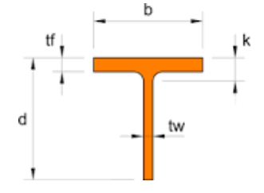
 | Fy = | 345 | Mpa
 | d = | 350 | mm
 | b = | 300 | mm
 | tw = | 13 | mm
 | tf = | 24 | mm
 | Cw = | 2869452000000 | mm6 | for warping constant
 | J= | 1621141 | mm4 | for torsional constant
 | Ix = | 243,258,741 | mm4
 | Iy = | 54,059,685 | mm4
 | Ag = | 11438 | mm2
 | rx = | 146 | mm | y0 = | 2.37
 | ry = | 69 | mm
 | Lcx = | 3000 | mm | for effective length |  | λx = | 20.6
 | Lcy= | 3000 | mm | for effective length |  | λy = | 43.6
 | Lcz= | 6000 | mm | for effective length for torsional
 | Fex = | 1.5 | Mpa | Fy/Fex= | 237.92 | Fcrx= | 1.3 | Mpa
 | Fey = | 0.3 | Mpa | Fy/Fey= | 1070.61 | Fcry= | 0.3 | Mpa
 | Fez= | 2243938.8 | Mpa | Fy/Fet= | 0.00 | Fcrt= | 345.0 | Mpa
 | ψ= | 0.9
 | Ω= | 1.67
 | ψPn = | 3 | kN | =0.9 x Min(Fcrx, Fxry, Fcrt) x Ag
 | Pn/Ω = | 2 | kN | =1/1.67 x Min(Fcrx, Fxry, Fcrt) x Ag

 |  | Lcz = | 8000 | mm
 | Ix(mm4) | Iy(mm4) | Cw(mm6) | J(mm4) | i(mm) | λ | Fe
H-200x200 | 47200000 | 16000000 | 142000000000 | 298000 | 50.2 | 159 | 431.9
H-294x200 | 113000000 | 16000000 | 319000000000 | 358000 | 47.1 | 170 | 289.7
H-400x400 | 666000000 | 224000000 | 8048000000000 | 3030000 | 101 | 79 | 540.5
H-700x300 | 2010000000 | 108000000 | 12367000000000 | 3830000 | 67.8 | 118 | 319.0

일반적으로 built up 부재에서 판의 두께가 작을 때 지배적 임. 그 외는 E3의 약축에 대한 세장비가 지배적이다.

H Section의 Torsional effective length가 양방향 lateral effective length보다 클 때 E4가 지배적임.
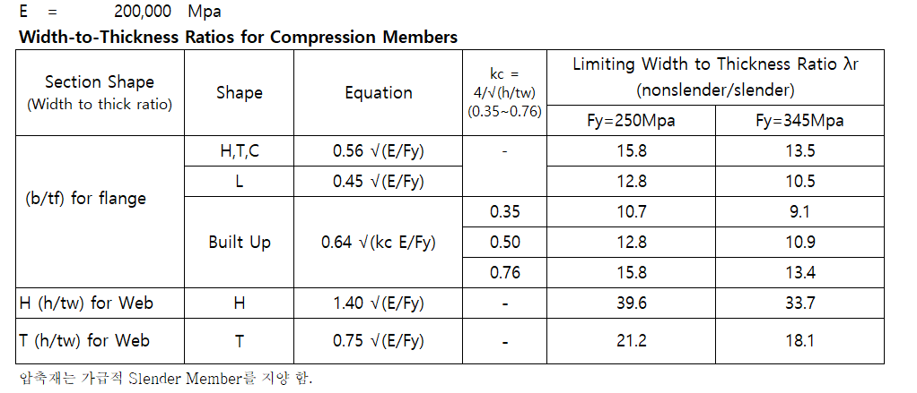

E7. MEMBERS WITH SLENDER ELEMENTS
(Flexural, Torsional, and Flexural-Torsional Buckling with Local Buckling)

1. Slender Element Members Excluding Round HSS

Fy = | 355 | Mpa
Fcr = | 55 | Mpa
λr = | 18.1 |  | for Limiting Width to thickness ratios for compression members
b= | 200 |  | for Member Width
t= | 5 |  | for Member thickness

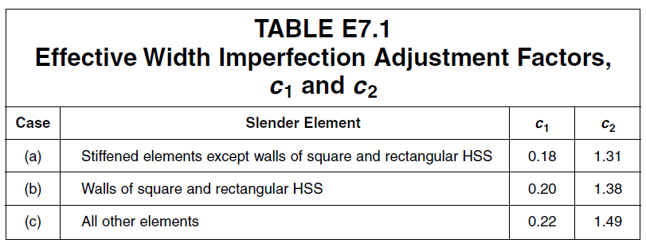
 |  |  |  |  | for Width to thickness ratios for compression members
$λr\sqrt{\frac{Fy}{Fcr}}$=
λ = | 40.0 | < |  | 46.0
c1= | 0.18
c2= | 1.31
Fel= | 125 | Mpa | for Elastic local buckling stress |  |  |  |  | (E7-5)

be1 = |  | = | 219.5 |  |  |  |  | (E7-3)

be = Min{ b or b1 } |  | = | 200.0

H.W
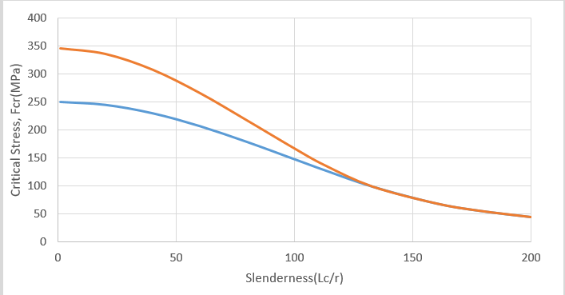
2022-02-09 |  |  |  |  |  |  |  |  |  |  |  |  |  |  |  |  |  |  |  | Lc/r_breakPoint | E | Fy | Fe | Lc/r | Fcr | Lc/r_breakPoint | E | Fy | Fe | Lc/r | Fcr
H.W #1 | AISC 360의 Section E3에 따라서 강재 항복강도 Fy=250Mpa, Fy=345Mpa에 대하여 아래 표와 같이 Excel로 작성 |  |  |  |  |  |  |  |  |  |  |  |  |  |  |  |  |  |  | 133.21891758 | 200000 | 250 | #DIV/0! | 0 |  | 113.40347361 | 200000 | 345 | #DIV/0! | 0
 |  |  |  |  |  |  |  |  |  |  |  |  |  |  |  |  |  |  |  |  |  |  | 1973920.8802 | 1 | 249.98674785 |  |  |  | 1973920.8802 | 1 | 344.97476285
 |  |  |  |  |  |  |  |  |  |  |  |  |  |  |  |  |  |  |  |  |  |  | 493480.22005 | 2 | 249.9469956 |  |  |  | 493480.22005 | 2 | 344.89906249
 |  |  |  |  |  |  |  |  |  |  |  |  |  |  |  |  |  |  |  |  |  |  | 219324.54225 | 3 | 249.8807559 |  |  |  | 219324.54225 | 3 | 344.77293212
 |  |  |  |  |  |  |  |  |  |  |  |  |  |  |  |  |  |  |  |  |  |  | 123370.05501 | 4 | 249.78804981 |  |  |  | 123370.05501 | 4 | 344.59642709
 |  |  |  |  |  |  |  |  |  |  |  |  |  |  |  |  |  |  |  |  |  |  | 78956.835209 | 5 | 249.66890681 |  |  |  | 78956.835209 | 5 | 344.36962483
 |  |  |  |  |  |  |  |  |  |  |  |  |  |  |  |  |  |  |  |  |  |  | 54831.135562 | 6 | 249.52336475 |  |  |  | 54831.135562 | 6 | 344.09262478
 |  |  |  |  |  |  |  |  |  |  |  |  |  |  |  |  |  |  |  |  |  |  | 40284.099596 | 7 | 249.35146989 |  |  |  | 40284.099596 | 7 | 343.76554832
 |  |  |  |  |  |  |  |  |  |  |  |  |  |  |  |  |  |  |  |  |  |  | 30842.513753 | 8 | 249.15327679 |  |  |  | 30842.513753 | 8 | 343.38853871
 |  |  |  |  |  |  |  |  |  |  |  |  |  |  |  |  |  |  |  |  |  |  | 24369.393583 | 9 | 248.92884839 |  |  |  | 24369.393583 | 9 | 342.96176097
 |  |  |  |  |  |  |  |  |  |  |  |  |  |  |  |  |  |  |  |  |  |  | 19739.208802 | 10 | 248.67825586 |  |  |  | 19739.208802 | 10 | 342.48540175
 |  |  |  |  |  |  |  |  |  |  |  |  |  |  |  |  |  |  |  |  |  |  | 16313.395704 | 11 | 248.40157866 |  |  |  | 16313.395704 | 11 | 341.95966919
 |  |  |  |  |  |  |  |  |  |  |  |  |  |  |  |  |  |  |  |  |  |  | 13707.78389 | 12 | 248.09890443 |  |  |  | 13707.78389 | 12 | 341.38479279
 |  |  |  |  |  |  |  |  |  |  |  |  |  |  |  |  |  |  |  |  |  |  | 11680.005208 | 13 | 247.770329 |  |  |  | 11680.005208 | 13 | 340.76102324
 |  |  |  |  |  |  |  |  |  |  |  |  |  |  |  |  |  |  |  |  |  |  | 10071.024899 | 14 | 247.41595629 |  |  |  | 10071.024899 | 14 | 340.08863221
 |  |  |  |  |  |  |  |  |  |  |  |  |  |  |  |  |  |  |  |  |  |  | 8772.9816899 | 15 | 247.03589827 |  |  |  | 8772.9816899 | 15 | 339.36791219
 |  |  |  |  |  |  |  |  |  |  |  |  |  |  |  |  |  |  |  |  |  |  | 7710.6284384 | 16 | 246.63027492 |  |  |  | 7710.6284384 | 16 | 338.59917625
 |  |  |  |  |  |  |  |  |  |  |  |  |  |  |  |  |  |  |  |  |  |  | 6830.1760561 | 17 | 246.19921416 |  |  |  | 6830.1760561 | 17 | 337.78275783
 |  |  |  |  |  |  |  |  |  |  |  |  |  |  |  |  |  |  |  |  |  |  | 6092.3483957 | 18 | 245.74285175 |  |  |  | 6092.3483957 | 18 | 336.9190105
 |  |  |  |  |  |  |  |  |  |  |  |  |  |  |  |  |  |  |  |  |  |  | 5467.9248759 | 19 | 245.26133128 |  |  |  | 5467.9248759 | 19 | 336.00830767
 |  |  |  |  |  |  |  |  |  |  |  |  |  |  |  |  |  |  |  |  |  |  | 4934.8022005 | 20 | 244.75480403 |  |  |  | 4934.8022005 | 20 | 335.05104239
 |  |  |  |  |  |  |  |  |  |  |  |  |  |  |  |  |  |  |  |  |  |  | 4476.0110663 | 21 | 244.22342894 |  |  |  | 4476.0110663 | 21 | 334.04762698
H.W #2 | 상기 그림과 같이 작성된 도표를 이용하여 다음 조건의 기둥의 압축 설계 강도 ? |  |  |  |  |  |  |  |  |  |  |  |  |  |  |  | (Design Example E.1D 참조) |  |  |  |  |  | 4078.3489261 | 22 | 243.6673725 |  |  |  | 4078.3489261 | 22 | 332.99849283
 | E | 200000 | Fy | 250 |  |  |  |  |  |  |  |  |  |  |  |  |  |  | Unit- kN.mm |  |  |  | 3731.4194333 | 23 | 243.08680867 |  |  |  | 3731.4194333 | 23 | 331.90409
 | 부재 형상 |  | Ag | kLx(S) | slenderness check | kLy(W) | slenderness check | KL/r | Ix | Iy | rx | ry | Fe | Lc/r_breakPoint | Fcr | Pn | ψPn | Pn/ψ | 단위무게 |  |  |  | 3426.9459726 | 24 | 242.48191878 |  |  |  | 3426.9459726 | 24 | 330.76488696
 | H-248 x 249x 8 x 13 |  | 8470 | 3000 | 27.706925416 | 3000 | 47.702435871 | 47.702435871 | 99300000 | 33500000 | 108.27617843 | 62.889870196 | 867.45834301 | 133.21891758 | 27.880090491 | 2361.4436646 | 2125.2992982 | 1414.0381225 | 66kg/m |  |  |  | 3158.2734083 | 25 | 241.85289148 |  |  |  | 3158.2734083 | 25 | 329.58137024
 | H-248 x 249x 8 x 13 |  | 8470 | 6000 | 55.413850832 | 3000 | 47.702435871 | 55.413850832 | 99300000 | 33500000 | 108.27617843 | 62.889870196 | 642.82547359 | 133.21891758 | 37.832476965 | 320441.0799 | 288396.97191 | 191880.88617 |  |  |  |  | 2920.0013021 | 26 | 241.19992256 |  |  |  | 2920.0013021 | 26 | 328.35404405
 | H-248 x 249x 8 x 13 |  | 8470 | 3000 | 27.706925416 | 6000 | 95.404871743 | 95.404871743 | 99300000 | 33500000 | 108.27617843 | 62.889870196 | 216.86458575 | 133.21891758 | 83.486661347 | 707132.02161 | 636418.81945 | 423432.34827 |  |  |  |  | 2707.7103981 | 27 | 240.52321494 |  |  |  | 2707.7103981 | 27 | 327.08342998
 | H-248 x 249x 8 x 13 |  | 8470 | 6000 | 55.413850832 | 6000 | 95.404871743 | 95.404871743 | 99300000 | 33500000 | 108.27617843 | 62.889870196 | 216.86458575 | 133.21891758 | 83.486661347 | 707132.02161 | 636418.81945 | 423432.34827 |  |  |  |  | 2517.7562248 | 28 | 239.82297849 |  |  |  | 2517.7562248 | 28 | 325.7700666
 | H-400 x 200 x 8 x 13 |  |  | 3000 |  | 3000 |  |  |  |  |  |  |  |  |  |  |  |  | 66kg/m |  |  |  | 2347.1116293 | 29 | 239.09942996 |  |  |  | 2347.1116293 | 29 | 324.41450907
 | H-400 x 200 x 8 x 13 |  |  | 6000 |  | 3000 |  |  |  |  |  |  |  |  |  |  |  |  |  |  |  |  | 2193.2454225 | 30 | 238.35279288 |  |  |  | 2193.2454225 | 30 | 323.01732876
 | H-400 x 200 x 8 x 13 |  |  | 3000 |  | 6000 |  |  |  |  |  |  |  |  |  |  |  |  |  |  |  |  | 2054.0279711 | 31 | 237.5832974 |  |  |  | 2054.0279711 | 31 | 321.57911287
 | H-400 x 200 x 8 x 13 |  |  | 6000 |  | 6000 |  |  |  |  |  |  |  |  |  |  |  |  |  |  |  |  | 1927.6571096 | 32 | 236.79118021 |  |  |  | 1927.6571096 | 32 | 320.10046397
 |  |  |  |  |  |  |  |  |  |  |  |  |  |  |  |  |  |  |  |  |  |  | 1812.5995227 | 33 | 235.9766844 |  |  |  | 1812.5995227 | 33 | 318.58199964
 |  |  |  |  |  |  |  |  |  |  |  |  |  |  |  |  |  |  |  |  |  |  | 1707.544014 | 34 | 235.14005934 |  |  |  | 1707.544014 | 34 | 317.02435198
 |  |  |  |  |  |  |  |  |  |  |  |  |  |  |  |  |  |  |  |  |  |  | 1611.3639839 | 35 | 234.28156058 |  |  |  | 1611.3639839 | 35 | 315.42816722
 |  |  |  |  |  |  |  |  |  |  |  |  |  |  |  |  |  |  |  |  |  |  | 1523.0870989 | 36 | 233.40144966 |  |  |  | 1523.0870989 | 36 | 313.79410524
 |  |  |  |  |  |  |  |  |  |  |  |  |  |  |  |  |  |  |  |  |  |  | 1441.8706211 | 37 | 232.49999404 |  |  |  | 1441.8706211 | 37 | 312.12283915
 |  |  |  |  |  |  |  |  |  |  |  |  |  |  |  |  |  |  |  |  |  |  | 1366.981219 | 38 | 231.57746691 |  |  |  | 1366.981219 | 38 | 310.41505479
 |  |  |  |  |  |  |  |  |  |  |  |  |  |  |  |  |  |  |  |  |  |  | 1297.7783565 | 39 | 230.6341471 |  |  |  | 1297.7783565 | 39 | 308.6714503
 |  |  |  |  |  |  |  |  |  |  |  |  |  |  |  |  |  |  |  |  |  |  | 1233.7005501 | 40 | 229.67031891 |  |  |  | 1233.7005501 | 40 | 306.8927356
 |  |  |  |  |  |  |  |  |  |  |  |  |  |  |  |  |  |  |  |  |  |  | 1174.2539442 | 41 | 228.68627198 |  |  |  | 1174.2539442 | 41 | 305.07963198
 |  |  |  |  |  |  |  |  |  |  |  |  |  |  |  |  |  |  |  |  |  |  | 1119.0027666 | 42 | 227.68230114 |  |  |  | 1119.0027666 | 42 | 303.23287152
 |  |  |  |  |  |  |  |  |  |  |  |  |  |  |  |  |  |  |  |  |  |  | 1067.5613198 | 43 | 226.65870625 |  |  |  | 1067.5613198 | 43 | 301.35319669
 |  |  |  |  |  |  |  |  |  |  |  |  |  |  |  |  |  |  |  |  |  |  | 1019.5872315 | 44 | 225.6157921 |  |  |  | 1019.5872315 | 44 | 299.44135978
 |  |  |  |  |  |  |  |  |  |  |  |  |  |  |  |  |  |  |  |  |  |  | 974.77574332 | 45 | 224.55386818 |  |  |  | 974.77574332 | 45 | 297.49812246
 |  |  |  |  |  |  |  |  |  |  |  |  |  |  |  |  |  |  |  |  |  |  | 932.85485833 | 46 | 223.47324861 |  |  |  | 932.85485833 | 46 | 295.52425524
 |  |  |  |  |  |  |  |  |  |  |  |  |  |  |  |  |  |  |  |  |  |  | 893.58120426 | 47 | 222.37425192 |  |  |  | 893.58120426 | 47 | 293.52053696
 |  |  |  |  |  |  |  |  |  |  |  |  |  |  |  |  |  |  |  |  |  |  | 856.73649315 | 48 | 221.25720093 |  |  |  | 856.73649315 | 48 | 291.48775432
 |  |  |  |  |  |  |  |  |  |  |  |  |  |  |  |  |  |  |  |  |  |  | 822.12448156 | 49 | 220.1224226 |  |  |  | 822.12448156 | 49 | 289.42670131
 |  |  |  |  |  |  |  |  |  |  |  |  |  |  |  |  |  |  |  |  |  |  | 789.56835209 | 50 | 218.97024782 |  |  |  | 789.56835209 | 50 | 287.33817876
 |  |  |  |  |  |  |  |  |  |  |  |  |  |  |  |  |  |  |  |  |  |  | 758.90845068 | 51 | 217.80101131 |  |  |  | 758.90845068 | 51 | 285.22299376
 |  |  |  |  |  |  |  |  |  |  |  |  |  |  |  |  |  |  |  |  |  |  | 730.00032552 | 52 | 216.61505142 |  |  |  | 730.00032552 | 52 | 283.08195921
 |  |  |  |  |  |  |  |  |  |  |  |  |  |  |  |  |  |  |  |  |  |  | 702.71302251 | 53 | 215.41270999 |  |  |  | 702.71302251 | 53 | 280.91589324
 |  |  |  |  |  |  |  |  |  |  |  |  |  |  |  |  |  |  |  |  |  |  | 676.92759953 | 54 | 214.19433217 |  |  |  | 676.92759953 | 54 | 278.72561874
 |  |  |  |  |  |  |  |  |  |  |  |  |  |  |  |  |  |  |  |  |  |  | 652.53582817 | 55 | 212.96026626 |  |  |  | 652.53582817 | 55 | 276.51196282
 |  |  |  |  |  |  |  |  |  |  |  |  |  |  |  |  |  |  |  |  |  |  | 629.43905619 | 56 | 211.71086356 |  |  |  | 629.43905619 | 56 | 274.27575632
 |  |  |  |  |  |  |  |  |  |  |  |  |  |  |  |  |  |  |  |  |  |  | 607.54720844 | 57 | 210.44647816 |  |  |  | 607.54720844 | 57 | 272.01783325
 |  |  |  |  |  |  |  |  |  |  |  |  |  |  |  |  |  |  |  |  |  |  | 586.77790732 | 58 | 209.16746685 |  |  |  | 586.77790732 | 58 | 269.73903034
 |  |  |  |  |  |  |  |  |  |  |  |  |  |  |  |  |  |  |  |  |  |  | 567.0556967 | 59 | 207.87418886 |  |  |  | 567.0556967 | 59 | 267.44018646
 |  |  |  |  |  |  |  |  |  |  |  |  |  |  |  |  |  |  |  |  |  |  | 548.31135562 | 60 | 206.56700579 |  |  |  | 548.31135562 | 60 | 265.12214219
 |  |  |  |  |  |  |  |  |  |  |  |  |  |  |  |  |  |  |  |  |  |  | 530.48129003 | 61 | 205.24628134 |  |  |  | 530.48129003 | 61 | 262.78573924
 |  |  |  |  |  |  |  |  |  |  |  |  |  |  |  |  |  |  |  |  |  |  | 513.50699277 | 62 | 203.91238125 |  |  |  | 513.50699277 | 62 | 260.43182
 |  |  |  |  |  |  |  |  |  |  |  |  |  |  |  |  |  |  |  |  |  |  | 497.33456292 | 63 | 202.56567305 |  |  |  | 497.33456292 | 63 | 258.06122705
 |  |  |  |  |  |  |  |  |  |  |  |  |  |  |  |  |  |  |  |  |  |  | 481.9142774 | 64 | 201.20652592 |  |  |  | 481.9142774 | 64 | 255.67480261
 |  |  |  |  |  |  |  |  |  |  |  |  |  |  |  |  |  |  |  |  |  |  | 467.20020834 | 65 | 199.83531053 |  |  |  | 467.20020834 | 65 | 253.27338812
 |  |  |  |  |  |  |  |  |  |  |  |  |  |  |  |  |  |  |  |  |  |  | 453.14988067 | 66 | 198.45239889 |  |  |  | 453.14988067 | 66 | 250.8578237
 |  |  |  |  |  |  |  |  |  |  |  |  |  |  |  |  |  |  |  |  |  |  | 439.7239653 | 67 | 197.05816412 |  |  |  | 439.7239653 | 67 | 248.42894772
 |  |  |  |  |  |  |  |  |  |  |  |  |  |  |  |  |  |  |  |  |  |  | 426.88600351 | 68 | 195.65298037 |  |  |  | 426.88600351 | 68 | 245.9875963
 |  |  |  |  |  |  |  |  |  |  |  |  |  |  |  |  |  |  |  |  |  |  | 414.60215926 | 69 | 194.23722258 |  |  |  | 414.60215926 | 69 | 243.53460285
 |  |  |  |  |  |  |  |  |  |  |  |  |  |  |  |  |  |  |  |  |  |  | 402.84099596 | 70 | 192.81126636 |  |  |  | 402.84099596 | 70 | 241.07079762
 |  |  |  |  |  |  |  |  |  |  |  |  |  |  |  |  |  |  |  |  |  |  | 391.57327519 | 71 | 191.37548782 |  |  |  | 391.57327519 | 71 | 238.59700723
 |  |  |  |  |  |  |  |  |  |  |  |  |  |  |  |  |  |  |  |  |  |  | 380.77177473 | 72 | 189.9302634 |  |  |  | 380.77177473 | 72 | 236.11405426
 |  |  |  |  |  |  |  |  |  |  |  |  |  |  |  |  |  |  |  |  |  |  | 370.41112408 | 73 | 188.47596969 |  |  |  | 370.41112408 | 73 | 233.62275677
 |  |  |  |  |  |  |  |  |  |  |  |  |  |  |  |  |  |  |  |  |  |  | 360.46765526 | 74 | 187.01298332 |  |  |  | 360.46765526 | 74 | 231.1239279
 |  |  |  |  |  |  |  |  |  |  |  |  |  |  |  |  |  |  |  |  |  |  | 350.91926759 | 75 | 185.54168075 |  |  |  | 350.91926759 | 75 | 228.61837543
 |  |  |  |  |  |  |  |  |  |  |  |  |  |  |  |  |  |  |  |  |  |  | 341.74530475 | 76 | 184.06243813 |  |  |  | 341.74530475 | 76 | 226.10690139
 |  |  |  |  |  |  |  |  |  |  |  |  |  |  |  |  |  |  |  |  |  |  | 332.92644294 | 77 | 182.57563117 |  |  |  | 332.92644294 | 77 | 223.59030165
 |  |  |  |  |  |  |  |  |  |  |  |  |  |  |  |  |  |  |  |  |  |  | 324.44458912 | 78 | 181.08163494 |  |  |  | 324.44458912 | 78 | 221.06936548
 |  |  |  |  |  |  |  |  |  |  |  |  |  |  |  |  |  |  |  |  |  |  | 316.28278805 | 79 | 179.58082373 |  |  |  | 316.28278805 | 79 | 218.54487524
 |  |  |  |  |  |  |  |  |  |  |  |  |  |  |  |  |  |  |  |  |  |  | 308.42513753 | 80 | 178.07357093 |  |  |  | 308.42513753 | 80 | 216.01760594
 |  |  |  |  |  |  |  |  |  |  |  |  |  |  |  |  |  |  |  |  |  |  | 300.8567109 | 81 | 176.56024885 |  |  |  | 300.8567109 | 81 | 213.48832491
 |  |  |  |  |  |  |  |  |  |  |  |  |  |  |  |  |  |  |  |  |  |  | 293.56348605 | 82 | 175.04122857 |  |  |  | 293.56348605 | 82 | 210.95779143
 |  |  |  |  |  |  |  |  |  |  |  |  |  |  |  |  |  |  |  |  |  |  | 286.53228048 | 83 | 173.5168798 |  |  |  | 286.53228048 | 83 | 208.42675637
 |  |  |  |  |  |  |  |  |  |  |  |  |  |  |  |  |  |  |  |  |  |  | 279.75069164 | 84 | 171.98757075 |  |  |  | 279.75069164 | 84 | 205.89596186
 |  |  |  |  |  |  |  |  |  |  |  |  |  |  |  |  |  |  |  |  |  |  | 273.20704224 | 85 | 170.45366796 |  |  |  | 273.20704224 | 85 | 203.366141
 |  |  |  |  |  |  |  |  |  |  |  |  |  |  |  |  |  |  |  |  |  |  | 266.89032994 | 86 | 168.91553617 |  |  |  | 266.89032994 | 86 | 200.83801748
 |  |  |  |  |  |  |  |  |  |  |  |  |  |  |  |  |  |  |  |  |  |  | 260.79018103 | 87 | 167.37353823 |  |  |  | 260.79018103 | 87 | 198.31230531
 |  |  |  |  |  |  |  |  |  |  |  |  |  |  |  |  |  |  |  |  |  |  | 254.89680788 | 88 | 165.82803486 |  |  |  | 254.89680788 | 88 | 195.78970853
 |  |  |  |  |  |  |  |  |  |  |  |  |  |  |  |  |  |  |  |  |  |  | 249.2009696 | 89 | 164.27938461 |  |  |  | 249.2009696 | 89 | 193.27092091
 |  |  |  |  |  |  |  |  |  |  |  |  |  |  |  |  |  |  |  |  |  |  | 243.69393583 | 90 | 162.72794371 |  |  |  | 243.69393583 | 90 | 190.7566257
 |  |  |  |  |  |  |  |  |  |  |  |  |  |  |  |  |  |  |  |  |  |  | 238.36745323 | 91 | 161.1740659 |  |  |  | 238.36745323 | 91 | 188.24749533
 |  |  |  |  |  |  |  |  |  |  |  |  |  |  |  |  |  |  |  |  |  |  | 233.21371458 | 92 | 159.61810235 |  |  |  | 233.21371458 | 92 | 185.74419119
 |  |  |  |  |  |  |  |  |  |  |  |  |  |  |  |  |  |  |  |  |  |  | 228.22533012 | 93 | 158.0604015 |  |  |  | 228.22533012 | 93 | 183.24736339
 |  |  |  |  |  |  |  |  |  |  |  |  |  |  |  |  |  |  |  |  |  |  | 223.39530107 | 94 | 156.50130899 |  |  |  | 223.39530107 | 94 | 180.75765051
 |  |  |  |  |  |  |  |  |  |  |  |  |  |  |  |  |  |  |  |  |  |  | 218.71699504 | 95 | 154.94116747 |  |  |  | 218.71699504 | 95 | 178.27567942
 |  |  |  |  |  |  |  |  |  |  |  |  |  |  |  |  |  |  |  |  |  |  | 214.18412329 | 96 | 153.38031655 |  |  |  | 214.18412329 | 96 | 175.80206504
 |  |  |  |  |  |  |  |  |  |  |  |  |  |  |  |  |  |  |  |  |  |  | 209.79071955 | 97 | 151.81909266 |  |  |  | 209.79071955 | 97 | 173.33741016
 |  |  |  |  |  |  |  |  |  |  |  |  |  |  |  |  |  |  |  |  |  |  | 205.53112039 | 98 | 150.25782894 |  |  |  | 205.53112039 | 98 | 170.88230526
 |  |  |  |  |  |  |  |  |  |  |  |  |  |  |  |  |  |  |  |  |  |  | 201.39994697 | 99 | 148.69685511 |  |  |  | 201.39994697 | 99 | 168.43732833
 |  |  |  |  |  |  |  |  |  |  |  |  |  |  |  |  |  |  |  |  |  |  | 197.39208802 | 100 | 147.13649743 |  |  |  | 197.39208802 | 100 | 166.00304474
 |  |  |  |  |  |  |  |  |  |  |  |  |  |  |  |  |  |  |  |  |  |  | 193.50268407 | 101 | 145.57707853 |  |  |  | 193.50268407 | 101 | 163.58000706
 |  |  |  |  |  |  |  |  |  |  |  |  |  |  |  |  |  |  |  |  |  |  | 189.72711267 | 102 | 144.01891736 |  |  |  | 189.72711267 | 102 | 161.16875492
 |  |  |  |  |  |  |  |  |  |  |  |  |  |  |  |  |  |  |  |  |  |  | 186.06097466 | 103 | 142.46232905 |  |  |  | 186.06097466 | 103 | 158.76981491
 |  |  |  |  |  |  |  |  |  |  |  |  |  |  |  |  |  |  |  |  |  |  | 182.50008138 | 104 | 140.90762487 |  |  |  | 182.50008138 | 104 | 156.38370048
 |  |  |  |  |  |  |  |  |  |  |  |  |  |  |  |  |  |  |  |  |  |  | 179.04044265 | 105 | 139.3551121 |  |  |  | 179.04044265 | 105 | 154.01091178
 |  |  |  |  |  |  |  |  |  |  |  |  |  |  |  |  |  |  |  |  |  |  | 175.67825563 | 106 | 137.80509395 |  |  |  | 175.67825563 | 106 | 151.65193561
 |  |  |  |  |  |  |  |  |  |  |  |  |  |  |  |  |  |  |  |  |  |  | 172.40989433 | 107 | 136.25786951 |  |  |  | 172.40989433 | 107 | 149.30724536
 |  |  |  |  |  |  |  |  |  |  |  |  |  |  |  |  |  |  |  |  |  |  | 169.23189988 | 108 | 134.71373362 |  |  |  | 169.23189988 | 108 | 146.97730088
 |  |  |  |  |  |  |  |  |  |  |  |  |  |  |  |  |  |  |  |  |  |  | 166.14097132 | 109 | 133.17297681 |  |  |  | 166.14097132 | 109 | 144.66254847
 |  |  |  |  |  |  |  |  |  |  |  |  |  |  |  |  |  |  |  |  |  |  | 163.13395704 | 110 | 131.63588528 |  |  |  | 163.13395704 | 110 | 142.36342082
 |  |  |  |  |  |  |  |  |  |  |  |  |  |  |  |  |  |  |  |  |  |  | 160.20784678 | 111 | 130.10274073 |  |  |  | 160.20784678 | 111 | 140.08033698
 |  |  |  |  |  |  |  |  |  |  |  |  |  |  |  |  |  |  |  |  |  |  | 157.35976405 | 112 | 128.57382037 |  |  |  | 157.35976405 | 112 | 137.8137023
 |  |  |  |  |  |  |  |  |  |  |  |  |  |  |  |  |  |  |  |  |  |  | 154.58695906 | 113 | 127.04939683 |  |  |  | 154.58695906 | 113 | 135.56390847
 |  |  |  |  |  |  |  |  |  |  |  |  |  |  |  |  |  |  |  |  |  |  | 151.88680211 | 114 | 125.52973811 |  |  |  | 151.88680211 | 114 | 133.20472545
 |  |  |  |  |  |  |  |  |  |  |  |  |  |  |  |  |  |  |  |  |  |  | 149.25677733 | 115 | 124.01510749 |  |  |  | 149.25677733 | 115 | 130.89819372
 |  |  |  |  |  |  |  |  |  |  |  |  |  |  |  |  |  |  |  |  |  |  | 146.69447683 | 116 | 122.50576352 |  |  |  | 146.69447683 | 116 | 128.65105618
 |  |  |  |  |  |  |  |  |  |  |  |  |  |  |  |  |  |  |  |  |  |  | 144.19759517 | 117 | 121.00195992 |  |  |  | 144.19759517 | 117 | 126.46129096
 |  |  |  |  |  |  |  |  |  |  |  |  |  |  |  |  |  |  |  |  |  |  | 141.76392418 | 118 | 119.50394558 |  |  |  | 141.76392418 | 118 | 124.3269615
 |  |  |  |  |  |  |  |  |  |  |  |  |  |  |  |  |  |  |  |  |  |  | 139.39134808 | 119 | 118.01196449 |  |  |  | 139.39134808 | 119 | 122.24621227
 |  |  |  |  |  |  |  |  |  |  |  |  |  |  |  |  |  |  |  |  |  |  | 137.0778389 | 120 | 116.52625569 |  |  |  | 137.0778389 | 120 | 120.21726472
 |  |  |  |  |  |  |  |  |  |  |  |  |  |  |  |  |  |  |  |  |  |  | 134.8214521 | 121 | 115.04705325 |  |  |  | 134.8214521 | 121 | 118.23841349
 |  |  |  |  |  |  |  |  |  |  |  |  |  |  |  |  |  |  |  |  |  |  | 132.62032251 | 122 | 113.57458621 |  |  |  | 132.62032251 | 122 | 116.30802284
 |  |  |  |  |  |  |  |  |  |  |  |  |  |  |  |  |  |  |  |  |  |  | 130.47266047 | 123 | 112.10907858 |  |  |  | 130.47266047 | 123 | 114.42452323
 |  |  |  |  |  |  |  |  |  |  |  |  |  |  |  |  |  |  |  |  |  |  | 128.37674819 | 124 | 110.65074928 |  |  |  | 128.37674819 | 124 | 112.58640817
 |  |  |  |  |  |  |  |  |  |  |  |  |  |  |  |  |  |  |  |  |  |  | 126.33093633 | 125 | 109.19981213 |  |  |  | 126.33093633 | 125 | 110.79223116
 |  |  |  |  |  |  |  |  |  |  |  |  |  |  |  |  |  |  |  |  |  |  | 124.33364073 | 126 | 107.75647583 |  |  |  | 124.33364073 | 126 | 109.04060292
 |  |  |  |  |  |  |  |  |  |  |  |  |  |  |  |  |  |  |  |  |  |  | 122.38333934 | 127 | 106.32094391 |  |  |  | 122.38333934 | 127 | 107.3301886
 |  |  |  |  |  |  |  |  |  |  |  |  |  |  |  |  |  |  |  |  |  |  | 120.47856935 | 128 | 104.89341476 |  |  |  | 120.47856935 | 128 | 105.65970532
 |  |  |  |  |  |  |  |  |  |  |  |  |  |  |  |  |  |  |  |  |  |  | 118.61792442 | 129 | 103.47408157 |  |  |  | 118.61792442 | 129 | 104.02791971
 |  |  |  |  |  |  |  |  |  |  |  |  |  |  |  |  |  |  |  |  |  |  | 116.80005208 | 130 | 102.06313234 |  |  |  | 116.80005208 | 130 | 102.43364568
 |  |  |  |  |  |  |  |  |  |  |  |  |  |  |  |  |  |  |  |  |  |  | 115.02365132 | 131 | 100.66074988 |  |  |  | 115.02365132 | 131 | 100.8757422
 |  |  |  |  |  |  |  |  |  |  |  |  |  |  |  |  |  |  |  |  |  |  | 113.28747017 | 132 | 99.267111769 |  |  |  | 113.28747017 | 132 | 99.353111338
 |  |  |  |  |  |  |  |  |  |  |  |  |  |  |  |  |  |  |  |  |  |  | 111.59030359 | 133 | 97.882390395 |  |  |  | 111.59030359 | 133 | 97.864696249
 |  |  |  |  |  |  |  |  |  |  |  |  |  |  |  |  |  |  |  |  |  |  | 109.93099132 | 134 | 96.409479391 |  |  |  | 109.93099132 | 134 | 96.409479391
 |  |  |  |  |  |  |  |  |  |  |  |  |  |  |  |  |  |  |  |  |  |  | 108.30841592 | 135 | 94.986480765 |  |  |  | 108.30841592 | 135 | 94.986480765
 |  |  |  |  |  |  |  |  |  |  |  |  |  |  |  |  |  |  |  |  |  |  | 106.72150088 | 136 | 93.594756269 |  |  |  | 106.72150088 | 136 | 93.594756269
 |  |  |  |  |  |  |  |  |  |  |  |  |  |  |  |  |  |  |  |  |  |  | 105.16920881 | 137 | 92.233396129 |  |  |  | 105.16920881 | 137 | 92.233396129
 |  |  |  |  |  |  |  |  |  |  |  |  |  |  |  |  |  |  |  |  |  |  | 103.65053981 | 138 | 90.901523417 |  |  |  | 103.65053981 | 138 | 90.901523417
 |  |  |  |  |  |  |  |  |  |  |  |  |  |  |  |  |  |  |  |  |  |  | 102.1645298 | 139 | 89.598292632 |  |  |  | 102.1645298 | 139 | 89.598292632
 |  |  |  |  |  |  |  |  |  |  |  |  |  |  |  |  |  |  |  |  |  |  | 100.71024899 | 140 | 88.322888365 |  |  |  | 100.71024899 | 140 | 88.322888365
 |  |  |  |  |  |  |  |  |  |  |  |  |  |  |  |  |  |  |  |  |  |  | 99.286800474 | 141 | 87.074524015 |  |  |  | 99.286800474 | 141 | 87.074524015
 |  |  |  |  |  |  |  |  |  |  |  |  |  |  |  |  |  |  |  |  |  |  | 97.893318797 | 142 | 85.852440585 |  |  |  | 97.893318797 | 142 | 85.852440585
 |  |  |  |  |  |  |  |  |  |  |  |  |  |  |  |  |  |  |  |  |  |  | 96.528968664 | 143 | 84.655905519 |  |  |  | 96.528968664 | 143 | 84.655905519
 |  |  |  |  |  |  |  |  |  |  |  |  |  |  |  |  |  |  |  |  |  |  | 95.192943683 | 144 | 83.48421161 |  |  |  | 95.192943683 | 144 | 83.48421161
 |  |  |  |  |  |  |  |  |  |  |  |  |  |  |  |  |  |  |  |  |  |  | 93.884465171 | 145 | 82.336675955 |  |  |  | 93.884465171 | 145 | 82.336675955
 |  |  |  |  |  |  |  |  |  |  |  |  |  |  |  |  |  |  |  |  |  |  | 92.60278102 | 146 | 81.212638954 |  |  |  | 92.60278102 | 146 | 81.212638954
 |  |  |  |  |  |  |  |  |  |  |  |  |  |  |  |  |  |  |  |  |  |  | 91.347164617 | 147 | 80.111463369 |  |  |  | 91.347164617 | 147 | 80.111463369
 |  |  |  |  |  |  |  |  |  |  |  |  |  |  |  |  |  |  |  |  |  |  | 90.116913816 | 148 | 79.032533416 |  |  |  | 90.116913816 | 148 | 79.032533416
 |  |  |  |  |  |  |  |  |  |  |  |  |  |  |  |  |  |  |  |  |  |  | 88.911349949 | 149 | 77.975253905 |  |  |  | 88.911349949 | 149 | 77.975253905
 |  |  |  |  |  |  |  |  |  |  |  |  |  |  |  |  |  |  |  |  |  |  | 87.729816899 | 150 | 76.93904942 |  |  |  | 87.729816899 | 150 | 76.93904942
 |  |  |  |  |  |  |  |  |  |  |  |  |  |  |  |  |  |  |  |  |  |  | 86.571680199 | 151 | 75.923363535 |  |  |  | 86.571680199 | 151 | 75.923363535
 |  |  |  |  |  |  |  |  |  |  |  |  |  |  |  |  |  |  |  |  |  |  | 85.436326187 | 152 | 74.927658066 |  |  |  | 85.436326187 | 152 | 74.927658066
 |  |  |  |  |  |  |  |  |  |  |  |  |  |  |  |  |  |  |  |  |  |  | 84.323161187 | 153 | 73.951412361 |  |  |  | 84.323161187 | 153 | 73.951412361
 |  |  |  |  |  |  |  |  |  |  |  |  |  |  |  |  |  |  |  |  |  |  | 83.231610736 | 154 | 72.994122616 |  |  |  | 83.231610736 | 154 | 72.994122616
 |  |  |  |  |  |  |  |  |  |  |  |  |  |  |  |  |  |  |  |  |  |  | 82.161118844 | 155 | 72.055301226 |  |  |  | 82.161118844 | 155 | 72.055301226
 |  |  |  |  |  |  |  |  |  |  |  |  |  |  |  |  |  |  |  |  |  |  | 81.11114728 | 156 | 71.134476165 |  |  |  | 81.11114728 | 156 | 71.134476165
 |  |  |  |  |  |  |  |  |  |  |  |  |  |  |  |  |  |  |  |  |  |  | 80.081174904 | 157 | 70.231190391 |  |  |  | 80.081174904 | 157 | 70.231190391
 |  |  |  |  |  |  |  |  |  |  |  |  |  |  |  |  |  |  |  |  |  |  | 79.070697012 | 158 | 69.34500128 |  |  |  | 79.070697012 | 158 | 69.34500128
 |  |  |  |  |  |  |  |  |  |  |  |  |  |  |  |  |  |  |  |  |  |  | 78.079224723 | 159 | 68.475480082 |  |  |  | 78.079224723 | 159 | 68.475480082
 |  |  |  |  |  |  |  |  |  |  |  |  |  |  |  |  |  |  |  |  |  |  | 77.106284384 | 160 | 67.622211404 |  |  |  | 77.106284384 | 160 | 67.622211404
 |  |  |  |  |  |  |  |  |  |  |  |  |  |  |  |  |  |  |  |  |  |  | 76.151417006 | 161 | 66.784792714 |  |  |  | 76.151417006 | 161 | 66.784792714
 |  |  |  |  |  |  |  |  |  |  |  |  |  |  |  |  |  |  |  |  |  |  | 75.214177725 | 162 | 65.962833865 |  |  |  | 75.214177725 | 162 | 65.962833865
 |  |  |  |  |  |  |  |  |  |  |  |  |  |  |  |  |  |  |  |  |  |  | 74.294135279 | 163 | 65.155956639 |  |  |  | 74.294135279 | 163 | 65.155956639
 |  |  |  |  |  |  |  |  |  |  |  |  |  |  |  |  |  |  |  |  |  |  | 73.390871513 | 164 | 64.363794317 |  |  |  | 73.390871513 | 164 | 64.363794317
 |  |  |  |  |  |  |  |  |  |  |  |  |  |  |  |  |  |  |  |  |  |  | 72.503980908 | 165 | 63.585991256 |  |  |  | 72.503980908 | 165 | 63.585991256
 |  |  |  |  |  |  |  |  |  |  |  |  |  |  |  |  |  |  |  |  |  |  | 71.63307012 | 166 | 62.822202495 |  |  |  | 71.63307012 | 166 | 62.822202495
 |  |  |  |  |  |  |  |  |  |  |  |  |  |  |  |  |  |  |  |  |  |  | 70.777757547 | 167 | 62.072093368 |  |  |  | 70.777757547 | 167 | 62.072093368
 |  |  |  |  |  |  |  |  |  |  |  |  |  |  |  |  |  |  |  |  |  |  | 69.93767291 | 168 | 61.335339142 |  |  |  | 69.93767291 | 168 | 61.335339142
 |  |  |  |  |  |  |  |  |  |  |  |  |  |  |  |  |  |  |  |  |  |  | 69.112456854 | 169 | 60.611624661 |  |  |  | 69.112456854 | 169 | 60.611624661
 |  |  |  |  |  |  |  |  |  |  |  |  |  |  |  |  |  |  |  |  |  |  | 68.301760561 | 170 | 59.900644012 |  |  |  | 68.301760561 | 170 | 59.900644012
 |  |  |  |  |  |  |  |  |  |  |  |  |  |  |  |  |  |  |  |  |  |  | 67.505245382 | 171 | 59.2021002 |  |  |  | 67.505245382 | 171 | 59.2021002
 |  |  |  |  |  |  |  |  |  |  |  |  |  |  |  |  |  |  |  |  |  |  | 66.722582484 | 172 | 58.515704839 |  |  |  | 66.722582484 | 172 | 58.515704839
 |  |  |  |  |  |  |  |  |  |  |  |  |  |  |  |  |  |  |  |  |  |  | 65.953452512 | 173 | 57.841177853 |  |  |  | 65.953452512 | 173 | 57.841177853
 |  |  |  |  |  |  |  |  |  |  |  |  |  |  |  |  |  |  |  |  |  |  | 65.197545258 | 174 | 57.178247191 |  |  |  | 65.197545258 | 174 | 57.178247191
 |  |  |  |  |  |  |  |  |  |  |  |  |  |  |  |  |  |  |  |  |  |  | 64.454559354 | 175 | 56.526648554 |  |  |  | 64.454559354 | 175 | 56.526648554
 |  |  |  |  |  |  |  |  |  |  |  |  |  |  |  |  |  |  |  |  |  |  | 63.72420197 | 176 | 55.886125128 |  |  |  | 63.72420197 | 176 | 55.886125128
 |  |  |  |  |  |  |  |  |  |  |  |  |  |  |  |  |  |  |  |  |  |  | 63.006188522 | 177 | 55.256427334 |  |  |  | 63.006188522 | 177 | 55.256427334
 |  |  |  |  |  |  |  |  |  |  |  |  |  |  |  |  |  |  |  |  |  |  | 62.300242401 | 178 | 54.637312585 |  |  |  | 62.300242401 | 178 | 54.637312585
 |  |  |  |  |  |  |  |  |  |  |  |  |  |  |  |  |  |  |  |  |  |  | 61.606094698 | 179 | 54.02854505 |  |  |  | 61.606094698 | 179 | 54.02854505
 |  |  |  |  |  |  |  |  |  |  |  |  |  |  |  |  |  |  |  |  |  |  | 60.923483957 | 180 | 53.429895431 |  |  |  | 60.923483957 | 180 | 53.429895431
 |  |  |  |  |  |  |  |  |  |  |  |  |  |  |  |  |  |  |  |  |  |  | 60.252155924 | 181 | 52.841140745 |  |  |  | 60.252155924 | 181 | 52.841140745
 |  |  |  |  |  |  |  |  |  |  |  |  |  |  |  |  |  |  |  |  |  |  | 59.591863308 | 182 | 52.262064121 |  |  |  | 59.591863308 | 182 | 52.262064121
 |  |  |  |  |  |  |  |  |  |  |  |  |  |  |  |  |  |  |  |  |  |  | 58.942365559 | 183 | 51.692454596 |  |  |  | 58.942365559 | 183 | 51.692454596
 |  |  |  |  |  |  |  |  |  |  |  |  |  |  |  |  |  |  |  |  |  |  | 58.303428645 | 184 | 51.132106922 |  |  |  | 58.303428645 | 184 | 51.132106922
 |  |  |  |  |  |  |  |  |  |  |  |  |  |  |  |  |  |  |  |  |  |  | 57.674824842 | 185 | 50.580821386 |  |  |  | 57.674824842 | 185 | 50.580821386
 |  |  |  |  |  |  |  |  |  |  |  |  |  |  |  |  |  |  |  |  |  |  | 57.05633253 | 186 | 50.038403629 |  |  |  | 57.05633253 | 186 | 50.038403629
 |  |  |  |  |  |  |  |  |  |  |  |  |  |  |  |  |  |  |  |  |  |  | 56.447736001 | 187 | 49.504664473 |  |  |  | 56.447736001 | 187 | 49.504664473
 |  |  |  |  |  |  |  |  |  |  |  |  |  |  |  |  |  |  |  |  |  |  | 55.848825266 | 188 | 48.979419759 |  |  |  | 55.848825266 | 188 | 48.979419759
 |  |  |  |  |  |  |  |  |  |  |  |  |  |  |  |  |  |  |  |  |  |  | 55.25939588 | 189 | 48.462490186 |  |  |  | 55.25939588 | 189 | 48.462490186
 |  |  |  |  |  |  |  |  |  |  |  |  |  |  |  |  |  |  |  |  |  |  | 54.679248759 | 190 | 47.953701162 |  |  |  | 54.679248759 | 190 | 47.953701162
 |  |  |  |  |  |  |  |  |  |  |  |  |  |  |  |  |  |  |  |  |  |  | 54.108190023 | 191 | 47.45288265 |  |  |  | 54.108190023 | 191 | 47.45288265
 |  |  |  |  |  |  |  |  |  |  |  |  |  |  |  |  |  |  |  |  |  |  | 53.546030822 | 192 | 46.959869031 |  |  |  | 53.546030822 | 192 | 46.959869031
 |  |  |  |  |  |  |  |  |  |  |  |  |  |  |  |  |  |  |  |  |  |  | 52.992587189 | 193 | 46.474498965 |  |  |  | 52.992587189 | 193 | 46.474498965
 |  |  |  |  |  |  |  |  |  |  |  |  |  |  |  |  |  |  |  |  |  |  | 52.447679887 | 194 | 45.996615261 |  |  |  | 52.447679887 | 194 | 45.996615261
 |  |  |  |  |  |  |  |  |  |  |  |  |  |  |  |  |  |  |  |  |  |  | 51.91113426 | 195 | 45.526064746 |  |  |  | 51.91113426 | 195 | 45.526064746
 |  |  |  |  |  |  |  |  |  |  |  |  |  |  |  |  |  |  |  |  |  |  | 51.382780097 | 196 | 45.062698145 |  |  |  | 51.382780097 | 196 | 45.062698145
 |  |  |  |  |  |  |  |  |  |  |  |  |  |  |  |  |  |  |  |  |  |  | 50.862451499 | 197 | 44.606369964 |  |  |  | 50.862451499 | 197 | 44.606369964
 |  |  |  |  |  |  |  |  |  |  |  |  |  |  |  |  |  |  |  |  |  |  | 50.349986742 | 198 | 44.156938372 |  |  |  | 50.349986742 | 198 | 44.156938372
 |  |  |  |  |  |  |  |  |  |  |  |  |  |  |  |  |  |  |  |  |  |  | 49.845228156 | 199 | 43.714265093 |  |  |  | 49.845228156 | 199 | 43.714265093
 |  |  |  |  |  |  |  |  |  |  |  |  |  |  |  |  |  |  |  |  |  |  | 49.348022005 | 200 | 43.278215299 |  |  |  | 49.348022005 | 200 | 43.278215299

